final
 |  | Supplementary Table S3: Time to retreatment for Type 1 ROP
 | Study | Initial Anti-VEGF treatment
 |  | IVB |  |  | IVR |  |  | IVA
 |  | number of eyes | mean time to retreatment (weeks) | SD | number of eyes | mean time to retreatment (weeks) | SD | number of eyes | mean time to retreatment (weeks) | SD
1 | Murakami 2021 | 4 | 9 | 1 | - | - | - | - | - | -
2 | Zayek 2021 | 20 | median:8 | IQR:0.71-32.14 | - | - | - | - | - | -
3 | Chen 2018a | 28 | 19 | n/a | - | - | - | - | - | -
4 | Mueller 2017* | 14 | median:12.7 | IQR: 11.3-15.6 | - | - | - | - | - | -
5 | Hwang 2015 | 3 | 9 | 5.7 | - | - | - | - | - | -
6 | Kong 2015 | 3 | 8.857143 | 4.444671 | - | - | - | - | - | -
7 | Mintz Hittner 2011 | 6 | 16 | 4.6 | - | - | - | - | - | -
8 | Fleck 2022 | - | - | - | 40 | median 7.64 | IQR:6-8.71 | - | - | -
9 | Zhang 2017 | - | - | - | 26 | 12.62 | 7.93 | - | - | -
10 | Chan 2016* | - | - | - | 3 | 7.43 | 1.07 | - | - | - | range: 4.57-8.86 | range ~ 1/4(max-min) = 1.07
11 | Ekinci 2020 | - | - | - | - | - | - | 6 | 18.2 | n/a
12 | Ling 2020* | 23 | 8.8 | 3.9 | 10 | 8.3 | 1.6 | - | - | -
13 | Kabatas 2017** | 2 | 17 | 1.3784048752 | 2 | 13.7 | 1.2649110641 | - | - | -
14 | Gunay 2016 | 6 | 14 | 2.65 | 6 | 8.75 | 1.5 | - | - | -
15 | Erol 2015* | 2 | 14 | 0 | 4 | 8 | 1.7320508076 | - | - | -
16 | Wong 2015 | - | - | - | 3 | 7.4266666667 | 0.64891362206 | - | - | -
17 | Sukgen 2019* | - | - | - | 26 | 8.2 | 0.92 | 10 | 14.2 | 1.03
18 | Riazi-esfahani 2021 | 34 | 6.71 | n/a | - | - | - | 14 | 14.86 | n/a
19 | Suren 2022* | 14 | 13 | 2.37 | 29 | 8 | 1.72 | 13 | 12 | 2.47
20 | Stahl 2022 | - | - | - | - | - | - | 33 | 10.18571429 | 4.785714286 | NB: combined means and SD's using https://www.emathzone.com/tutorials/basic-statistics/combined-variance.html
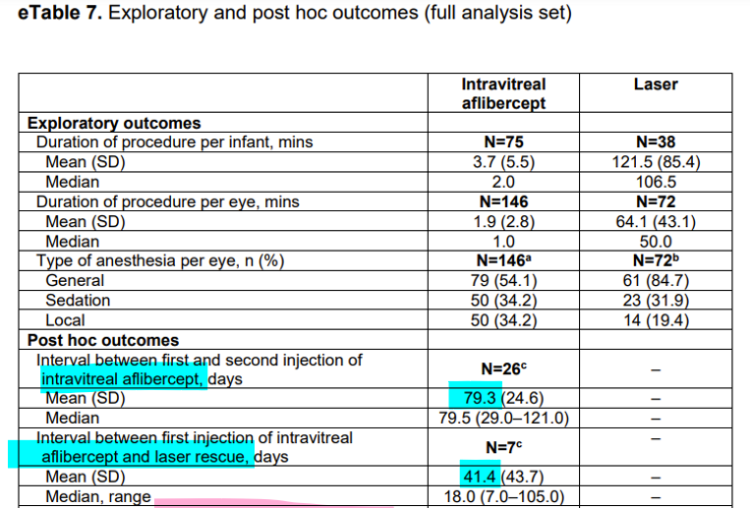

Supplementary Table S4. Time to retreatment following anti-VEGF therapy for Type 1 ROP. Values shown are means and standard deviations (SD) unless otherwise stated. *Studies that only reported mean time to recurrence, which we assumed to be approximations of mean time to retreatment. **Where the available data provide age at initial treatment and age at retreatment, the mean time to retreatment was calculated by subtraction and SD calculated by the formula, SDTotal = Sqrt(SD1^2 + SD2^2). n/a: no data available. §Summary mean and SD for each anti-VEGF agent were derived after exclusion of studies that reported median (and interquartile range, IQR) and studies that did not report any SD values.

 | * These studies only reported mean time to recurrence. We assumed this to be representative of mean time to retreatment.
 | ** SDtotal = Sqrt(SD1^2 + SD2^2) used to obtain SD
 | n/a: no data available

